Weekly Progress Report
MODON - Weekly Progress Report - Construction Projects |  |  |  |  |  |  |  |  |  |  |  |  |  |  |  |  |  |  |  |  |  |  |  |  |  |  |  |  | Data Date | 19-Oct-26
Contract General Information |  |  |  |  |  | Key Dates |  |  |  |  |  | Cost Summary (SR) |  |  |  |  |  |  |  | Performance Summary |  |  |  |  |  | Project Scope
Project Name | Development Industrial City-Alkharj |  |  |  |  | Contract Award | 9-Nov-25 | Contract Award (Hijri) | 09/11/2025 | Revised Completion | 2-Dec-27 | Original Contract Value |  | 307,891,320 |  | O&M Value (if any) |  | 0 |  | Plan Value | 34.17% | Phys. Plan Value | 52.54% | Quality Score | 93.0% | Development of infrastructure networks in Al-Kharj industrial city, which is located almost 100 kilometers southeast of Riyadh, The project is comprised of two zones (A , B and Labor Community Area ), which have a total area of approximately 3.50 square kilometers
Project ID | 3121 |  | Stage | 1 |  | Contract Sign | 16-Nov-25 | Contract Sign (Hijri) | 16/11/2025 | Committed Completion | 2-Dec-27 | Revised Contract Value |  | 307,891,320 |  | Submitted Invoices (Gross Value) |  | 49,710,656 |  | Earned Value | 35.16% | Phys. Earn Value | 47.02%
Contractor | Moffreh Group |  | Status | 32 |  | Site Handover | 3-Dec-25 | Site Handover (Hijri) | 03/12/2025 | Forecast Completion | 2-Dec-27 | Estimate At Completion Value |  | 307,891,320 |  | Penalities & Retention |  | 5,082,066 |  | Variance | 1.0% | Variance | (5.5%) | Safety Score | 90.0%
Consultant | EGIS |  | Modon PM | Rakan Alotaibi |  | Original Completion | 2-Dec-27 | Original Completion (Hijri) | 02/12/2027 | Variance | 0 | Potential Changes |  | 0 |  | FIR Value (up To date) |  | 61,710,656 |  | FIR % | 20% | Invoiced % | 16.146%

Progress Overview
Earned Value Progress (SAR) |  |  |  |  |  |  |  |  |  |  |  |  |  | Physical Progress (Effort) |  |  |  |  |  |  |  |  |  |  |  | Earned Value Progress (%)
WBS |  | BOQ Value (SAR) | % Wt. | Weekly (SAR) |  | To Date (SAR) |  |  |  |  |  |  |  | Budgeted | % Wt. | Weekly Physical Progress |  |  |  | To Date Physical Progress
 |  |  |  | Planned | Earned | Original Plan | Revised Planned | Earned | Original Plan % | Revised Planned % | Earned % | Variance | SPI | (Manhours) |  | Planned | Earned | Plan % | Earned % | Planned | Earned | Plan % | Earned % | Variance | SPI
Engineering |  | - | 0.0% | - | - | - | - | - | 0.0% | 0.0% | 0.0% | 0.0% |  | 8,031,948 | 3.0% | - | - | 0.0% | 0.0% | 8,031,948 | 8,031,948 | 100.0% | 100.0% | 0.0% | 1
Procurement |  | - | 0.0% | - | - | - | - | - | 0.0% | 0.0% | 0.0% | 0.0% |  | 53,546,316 | 20.0% | 1,027,360 | 1,697,419 | 0.0% | 0.0% | 47,093,405 | 36,738,128 | 87.9% | 68.6% | -19.3% | 0.78043230944
Construction |  | 239,411,880 | 77.8% | 2,777,177.81 | 2,346,236.43 | 189,135,385.20 | 105,221,521.26 | 108,262,052.14 | 79.0% | 44.0% | 45.2% | 1.2% | 1.03 | 179,380,160 | 67.0% | 2,082,105 | 1,757,925 | 1.2% | 1.0% | 78,844,019 | 81,115,708 | 44.0% | 45.2% | 1.2% | 1.0272727273
Testing & Commissioning |  | - | 0.0% | - | - | - | - | - | 0.0% | 0.0% | 0.0% | 0.0% |  | 26,773,158 | 10.0% | - | - | 0.0% | 0.0% | 6,693,290 | - | 25.0% | 0.0% | -25.0% | 0
Close Out |  | 68,479,440 | 22.2% | - | - | - | - | - | 0.0% | 0.0% | 0.0% | 0.0% |  | - | 0.0% | - | - | 0.0% | 0.0% | - | - | 0.0% | 0.0% | 0.0% | 0
 | Total | 307,891,320 | 100.0% | 2,777,177.81 | 2,346,236.43 | 189,135,385.20 | 105,221,521.26 | 108,262,052.14 | 61.43% | 34.17% | 35.16% | 0.99% | 1.03 | 267,731,582 | 100.0% | 3,109,465 | 3,455,344 | 1.16% | 1.29% | 140,662,662 | 125,885,784 | 52.54% | 47.02% | -5.52% | 0.89
Physical Progress - Effort
 | Baseline Plan | Revised / Recovery Plan | Earned Effort %
Dec-25 | 2.7% | 0.0% | 0.4%
Jan-26 | 3.4% | 0.2% | 3.7%
Feb-26 | 8.1% | 2.7% | 6.6%
Mar-26 | 19.0% | 8.9% | 8.7%
Apr-26 | 31.2% | 15.9% | 17.2%
May-26 | 38.3% | 22.1% | 22.3%
Jun-26 | 44.2% | 29.0% | 29.1%
Jul-26 | 52.2% | 37.0% | 34.2%
Aug-26 | 59.8% | 43.6% | 37.6%
Sep-26 | 75.5% | 47.9% | 43.4%
Oct-26 | 83.0% | 57.9% | 47.0%
Nov-26 | 87.1% | 70.1%
Dec-26 | 87.4% | 76.3%
Jan-27 | 91.6% | 77.1%
Feb-27 | 93.6% | 82.8%
Mar-27 | 95.4% | 91.9%
Apr-27 | 97.4% | 94.2%
May-27 | 98.3% | 95.9%
Jun-27 | 99.2% | 98.2%
Jul-27 | 99.7% | 99.3%
Aug-27 | 99.9% | 99.9%
Sep-27 | 100.0% | 100.0%
Oct-27 | 100.0% | 100.0%
Nov-27 |  | 100.0%
Dec-27 |  | 100.0%
 |  |  |  |  |  |  |  |  |  |  |  |  |  |  |  |  |  |  |  |  |  |  |  |  |  | Construction Milestones
 |  |  |  |  |  |  |  |  |  |  |  |  |  |  |  |  |  |  |  |  |  |  |  |  |  | Item No. | Milestones | Original (Baseline) | Latest Plan | Forecast | Days Change
 |  |  |  |  |  |  |  |  |  |  |  |  |  |  |  |  |  |  |  |  |  |  |  |  |  | 1 | Site Handover Date | 3-Dec-25 | 3-Dec-25 | 3-Dec-25 | 0
 |  |  |  |  |  |  |  |  |  |  |  |  |  |  |  |  |  |  |  |  |  |  |  |  |  | 2 | Complete Mobilization | 2-Jan-26 | 2-Jan-26 | 2-Jan-26 | 0
 |  |  |  |  |  |  |  |  |  |  |  |  |  |  |  |  |  |  |  |  |  |  |  |  |  | 3 | Road works | 2-Oct-26 | 2-Oct-26 | 2-Oct-26 | (36)
 |  |  |  |  |  |  |  |  |  |  |  |  |  |  |  |  |  |  |  |  |  |  |  |  |  | 4 | Medium voltage network | 2-Oct-26 | 2-Oct-26 | 2-Oct-26 | (29)
 |  |  |  |  |  |  |  |  |  |  |  |  |  |  |  |  |  |  |  |  |  |  |  |  |  | 5 | All Networks | 2-Feb-27 | 2-Feb-27 | 2-Feb-27 | 0
 |  |  |  |  |  |  |  |  |  |  |  |  |  |  |  |  |  |  |  |  |  |  |  |  |  | 6 | Project Handover | 2-Dec-27 | 2-Dec-27 | 2-Dec-27 | 0
Project Status Score
 | Max | Score
SPI (Physical Effort) | 1 | 1
SPI (Cost) | 1 | 1
On Schedule -Active | 1 | 1
Manpower Availability | 1 | 1
Major Equipment Availability | 1 | 1
Billing % Compared to Planned | 1 | 1
Safety Score | 1 | 0
Quality Score | 1 | 0
Actual Invoices
 | Monthly Gross Value
 | 1,681,886.27
 | 5,120,873.79
 | 6,277,339.47
 | 14,646,480.26
 | 21,984,075.98

SPI
SPI Weekly Interval

 | Week 1 21.Sep.2026 | Week 2 28.Sep.2026 | Week 3 05.Oct.2026 | Week 4 12.Oct.2026 | Week 5 19.Oct.2026
Planned % | 31.0% | 31.9% | 32.5% | 33.3% | 34.2%
Earned % | 32.0% | 32.9% | 33.5% | 34.4% | 35.2% |  |  |  | 0.80%
SPI | 1.03 | 1.03 | 1.03 | 1.03 | 1.03 |  |  |  |  |  | 0.90%
SPI Weekly Interval

Activity Name | Start | Finish | Spreadsheet Field | 3-Jan-26 | 10-Jan-26 | 17-Jan-26 | 24-Jan-26 | 31-Jan-26 | 7-Feb-26 | 14-Feb-26 | 21-Feb-26 | 28-Feb-26 | 7-Mar-26 | 14-Mar-26 | 21-Mar-26 | 28-Mar-26 | 4-Apr-26 | 11-Apr-26 | 18-Apr-26 | 25-Apr-26 | 2-May-26 | 9-May-26 | 16-May-26 | 23-May-26 | 30-May-26 | 6-Jun-26 | 13-Jun-26 | 20-Jun-26 | 27-Jun-26 | 4-Jul-26 | 11-Jul-26 | 18-Jul-26 | 25-Jul-26 | 1-Aug-26 | 8-Aug-26 | 15-Aug-26 | 22-Aug-26 | 29-Aug-26 | 5-Sep-26 | 12-Sep-26 | 19-Sep-26 | 26-Sep-26 | 3-Oct-26 | 10-Oct-26 | 17-Oct-26 | 24-Oct-26 | 31-Oct-26 | 7-Nov-26 | 14-Nov-26 | 21-Nov-26 | 28-Nov-26 | 5-Dec-26 | 12-Dec-26 | 19-Dec-26 | 26-Dec-26 | 2-Jan-27 | 9-Jan-27 | 16-Jan-27 | 23-Jan-27 | 30-Jan-27 | 6-Feb-27 | 13-Feb-27 | 20-Feb-27 | 27-Feb-27 | 6-Mar-27 | 13-Mar-27 | 20-Mar-27 | 27-Mar-27 | 3-Apr-27 | 10-Apr-27 | 17-Apr-27 | 24-Apr-27 | 1-May-27 | 8-May-27 | 15-May-27 | 22-May-27 | 29-May-27 | 5-Jun-27 | 12-Jun-27 | 19-Jun-27 | 26-Jun-27 | 3-Jul-27 | 10-Jul-27 | 17-Jul-27 | 24-Jul-27 | 31-Jul-27 | 7-Aug-27 | 14-Aug-27 | 21-Aug-27 | 28-Aug-27 | 4-Sep-27 | 11-Sep-27 | 18-Sep-27 | 25-Sep-27 | 2-Oct-27 | 9-Oct-27 | 16-Oct-27 | 23-Oct-27 | 30-Oct-27 | 6-Nov-27 | 13-Nov-27 | 20-Nov-27 | 27-Nov-27
ICKMO1-cost unite | 3-Jan-26 | 2-Dec-27 | Budgeted Units | 629778.8 | 817900.7 | 1117672.09 | 1784116.5 | 2205084.52 | 3042911.66 | 3538639.32 | 2840366.39 | 3077668.83 | 2799538.98 | 2407878.89 | 1910111.43 | 2315821.6 | 2136115.22 | 1765470.3 | 2035664.23 | 2793013.91 | 1763311.51 | 1890899.81 | 1102104.94 | 918553.47 | 1121640.58 | 817572.93 | 642466.71 | 1008995.59 | 1174931 | 1435794.43 | 2239774.91 | 2646690.01 | 3094900.96 | 3129603.42 | 3592896.68 | 4072913.57 | 4283580.02 | 4325302.09 | 3073364.65 | 3471431.71 | 1517990.46 | 2124434.92 | 2116641.49 | 2766161.76 | 3036723.69 | 2980679.07 | 3154463.77 | 3361260.25 | 3092750.6 | 2820097.36 | 1936116.4 | 1689048.51 | 1631346.56 | 1526831.33 | 1100100.45 | 669938.63 | 595679.44 | 1867307.04 | 2399894.43 | 1702100.45 | 4419281.23 | 5394379.93 | 4040128.22 | 5770854.6 | 5412649.59 | 6058633.75 | 5925758.5 | 6146311.55 | 4098294.02 | 2791974.4 | 2393701.31 | 2013645.32 | 1392043.12 | 1109050.6 | 1148278.55 | 1150798.13 | 917220.47 | 1953712.53 | 2600851.42 | 1922527.92 | 2010710.95 | 1876874.42 | 1711927.2 | 2346170.56 | 1162975.55 | 1496899.51 | 2137249.3 | 1766195 | 576780.31 | 457950 | 429942.57 | 203059.3 | 154448.87 | 70202.61 | 8712.77 |  |  |  |  |  |  | 19849112.99 | 39698225.98
 |  |  |  | 629778.8 | 1447679.5 | 2565351.59 | 4349468.09 | 6554552.61 | 9597464.27 | 13136103.59 | 15976469.98 | 19054138.81 | 21853677.79 | 24261556.68 | 26171668.11 | 28487489.71 | 30623604.93 | 32389075.23 | 34424739.46 | 37217753.37 | 38981064.88 | 40871964.69 | 41974069.63 | 42892623.1 | 44014263.68 | 44831836.61 | 45474303.32 | 46483298.91 | 47658229.91 | 49094024.34 | 51333799.25 | 53980489.26 | 57075390.22 | 60204993.64 | 63797890.32 | 67870803.89 | 72154383.91 | 76479686 | 79553050.65 | 83024482.36 | 84542472.82 | 86666907.74 | 88783549.23 | 91549710.99 | 94586434.68 | 97567113.75 | 100721577.52 | 104082837.77 | 107175588.37 | 109995685.73 | 111931802.13 | 113620850.64 | 115252197.2 | 116779028.53 | 117879128.98 | 118549067.61 | 119144747.05 | 121012054.09 | 123411948.52 | 125114048.97 | 129533330.2 | 134927710.13 | 138967838.35 | 144738692.95 | 150151342.54 | 156209976.29 | 162135734.79 | 168282046.34 | 172380340.36 | 175172314.76 | 177566016.07 | 179579661.39 | 180971704.51 | 182080755.11 | 183229033.66 | 184379831.79 | 185297052.26 | 187250764.79 | 189851616.21 | 191774144.13 | 193784855.08 | 195661729.5 | 197373656.7 | 199719827.26 | 200882802.81 | 202379702.32 | 204516951.62 | 206283146.62 | 206859926.93 | 207317876.93 | 207747819.5 | 207950878.8 | 208105327.67 | 208175530.28 | 208184243.05 | 208184243.05 | 208184243.05 | 208184243.05 | 208184243.05 | 208184243.05 | 208184243.05 | 228033356.04 | 267731582.02
 |  |  |  | 0.0023522768412 | 0.0054072048175 | 0.0095818041743 | 0.016245629513 | 0.024481805848 | 0.035847337092 | 0.049064452882 | 0.059673460488 | 0.071168812688 | 0.081625326481 | 0.090618956863 | 0.097753383872 | 0.10640317253 | 0.11438174272 | 0.12097592293 | 0.12857930022 | 0.13901144233 | 0.14559755927 | 0.15266022927 | 0.15677668401 | 0.16020755855 | 0.16439698055 | 0.16745068428 | 0.16985035154 | 0.17361903502 | 0.17800750122 | 0.1833703143 | 0.19173606217 | 0.20162167219 | 0.21318138784 | 0.22487072011 | 0.23829049171 | 0.2535031668 | 0.26950269883 | 0.28565806629 | 0.29713734202 | 0.31010343173 | 0.3157732539 | 0.32370819719 | 0.33161403136 | 0.34194587843 | 0.35328829708 | 0.36442138436 | 0.37620357213 | 0.38875816216 | 0.40030984604 | 0.41084314711 | 0.41807470487 | 0.42438344327 | 0.43047666002 | 0.43617950358 | 0.44028847138 | 0.44279074857 | 0.44501566143 | 0.45199021044 | 0.46095401819 | 0.46731150668 | 0.48381789415 | 0.50396635736 | 0.51905657641 | 0.54061120421 | 0.56082790614 | 0.58345741329 | 0.6055906202 | 0.62854761132 | 0.64385508453 | 0.65428334398 | 0.66322401991 | 0.67074515471 | 0.67594455297 | 0.68008695033 | 0.68437586739 | 0.6886741953 | 0.69210009098 | 0.69939737177 | 0.7091117708 | 0.71629257444 | 0.72380274913 | 0.73081303311 | 0.73720722533 | 0.74597036991 | 0.7503141815 | 0.7559052272 | 0.76388803328 | 0.7704849203 | 0.77263924332 | 0.77434972513 | 0.77595559683 | 0.77671404041 | 0.77729091994 | 0.7775531326 | 0.77758567553 | 0.77758567553 | 0.77758567553 | 0.77758567553 | 0.77758567553 | 0.77758567553 | 0.77758567553 | 0.85172378371 | 1.0000000001

Weekly Progress Photos
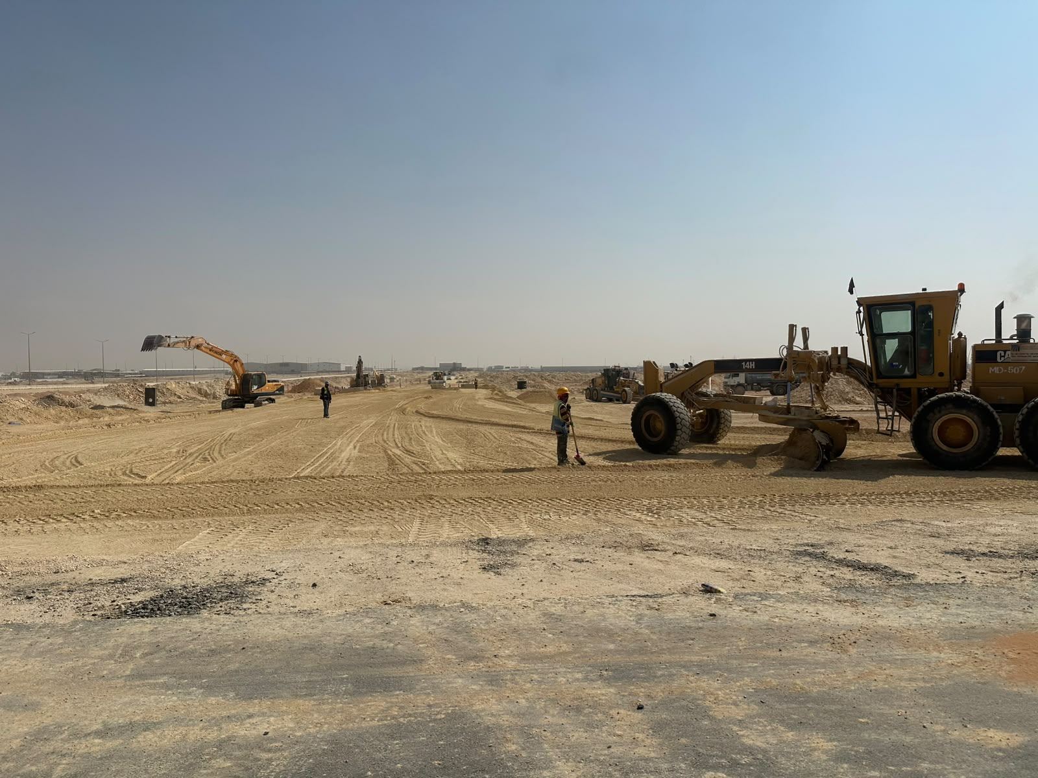
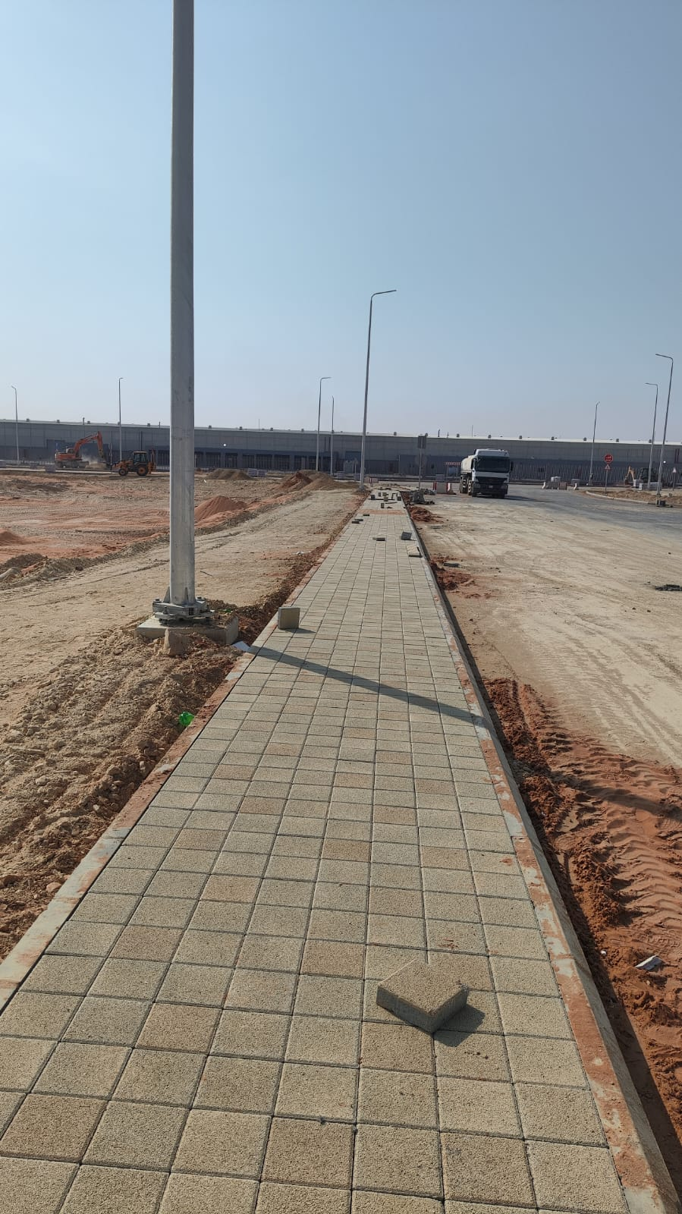
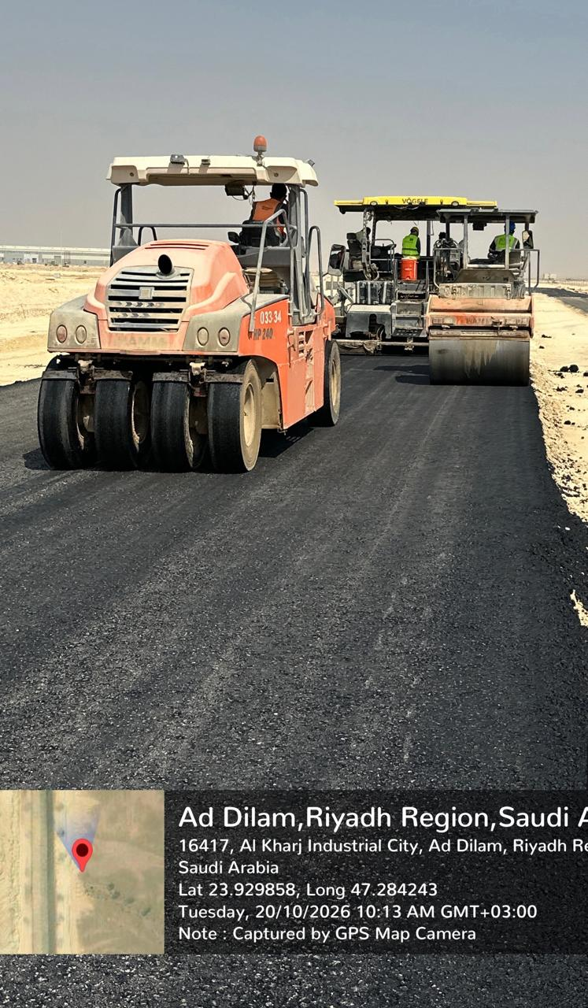
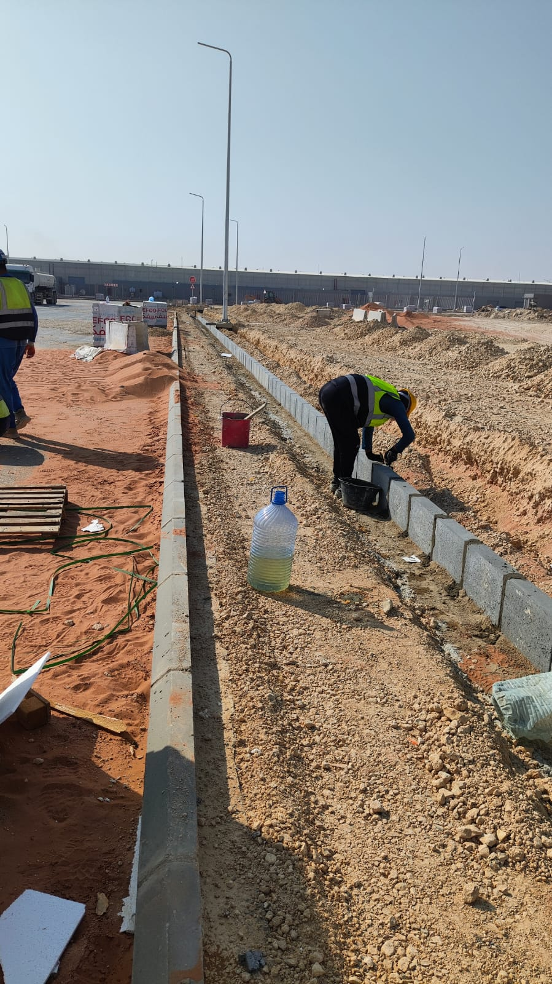
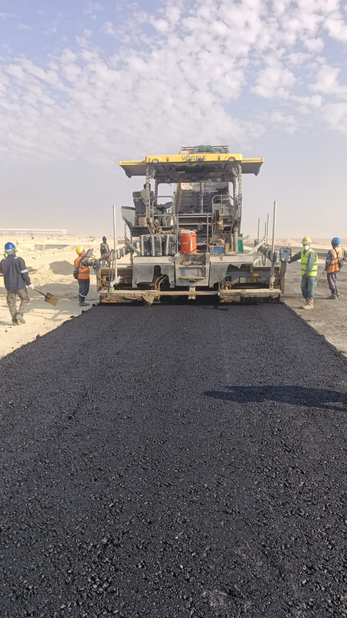
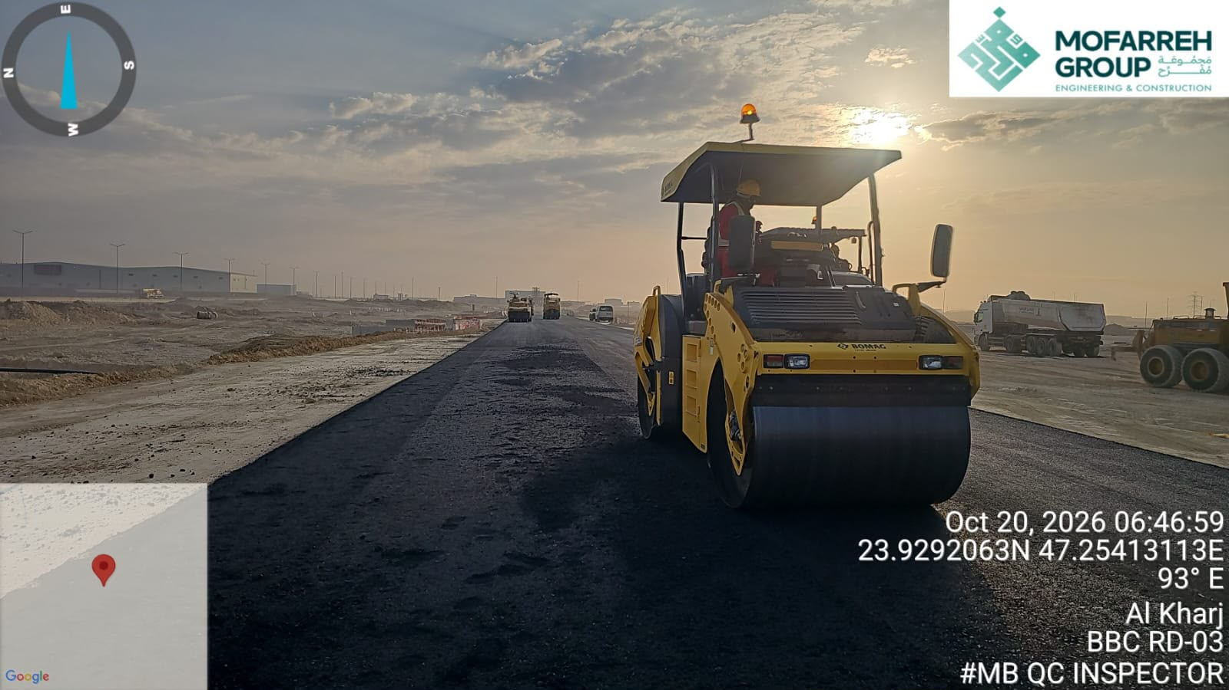
Weekly Progress Photos | Date | 19-Oct-26

Weekly Quality
DEVELOPMENT OF INFRASTRUCTURE NETWORKS, AL KHARJ INDUSTRIAL CITY (MODON), RIYADH |  |  |  |  |  |  |  |  |  |  |  |  |  |  |  |  |  |  |  |  |  |  |  |  |  | DEVELOPMENT OF INFRASTRUCTURE NETWORKS, AL KHARJ INDUSTRIAL CITY (MODON), RIYADH
The Contractor : MOFFAREH ALHARBI & PARTNERS |  |  |  |  |  |  |  |  |  |  |  |  |  |  |  |  |  |  |  |  |  |  |  |  |  | The Contractor : MOFFAREH ALHARBI & PARTNERS
Report Number:KHJ1-02-007-MAH-TS9-1-QMS-QWR-0043-00 Contractors’ Submittal -27-September-2026 to 03-October-2026) |  |  |  |  |  |  |  |  |  |  |  |  |  |  |  |  |  |  |  |  |  |  |  |  |  | 11-October-2026 to 17-October-2026
 | FIR Detail |  |  |  |  |  |  |  |  | NCR Detail |  |  |  |  |  |  | MAR Detail |  |  |  |  |  |  |  |  |  | Shop Drawing |  |  |  |  |  |  |  |  |  | ITP ( Inspection Test Plan) |  |  |  |  |  |  |  |  | MES ( Method statement)
 |  | Received |  |  | Code A | Code B | Code C/D | UR | KPI % |  | Issued/Received |  |  | Closed | OPEN | KPI % |  | Received |  |  | Code A | Code B | Code C/D | UR | KPI % |  |  | Received |  |  | Code A | Code B | Code C/D | UR | KPI % |  |  | Received |  |  | Code A | Code B | Code C/D | UR | KPI % |  | Received |  |  | Code A | Code B | Code C/D | UR | KPI %
 |  | Previous | Current | Cumulative |  |  |  |  |  |  | Previous | Current | Cumulative |  |  |  |  | Previous | Current | Cumulative |  |  |  |  |  |  |  | Previous | Current | Cumulative |  |  |  |  |  |  |  | Previous | Current | Cumulative |  |  |  |  |  |  | Previous | Current | Cumulative
 | CIV |  | 4 |  | 4 | 0 | 0 | 0 |  | CIV |  | 0 |  | 0 | 0 |  | CIV |  | 0 |  | 0 | 0 | 0 | 0 |  |  | CIV |  | 0 |  | 0 | 0 | 0 | 0 |  |  | CIVIL |  | 0 |  | 0 | 0 | 0 | 0 |  | CIVIL |  | 1 |  | 1 | 0 | 0 | 0
 | Road |  | 68 |  | 1 | 49 | 3 | 15 |  | Electrical |  | 0 |  | 0 | 0 |  | Electrical |  | 0 |  | 0 | 0 | 0 | 0 |  |  | Electrical |  | 0 |  | 0 | 0 | 0 | 0 |  |  | MEP |  | 0 |  | 0 | 0 | 0 | 0 |  | MEP |  | 0 |  | 0 | 0 | 0 | 1
 | CBC |  | 2 |  | 1 | 1 | 0 | 0 |  | Mechanical |  | 0 |  | 0 | 0 |  | Mechanical |  | 0 |  | 0 | 0 | 0 | 0 |  |  | Mechanical |  | 0 |  | 0 | 0 | 0 | 0 |  |  | ELECTRICAL |  | 0 |  | 0 | 0 | 0 | 0 |  | ELECTRICAL |  | 0 |  | 0 | 0 | 0 | 0
 | MEC |  | 0 |  | 0 | 0 | 0 | 0 |  | Sewer |  | 0 |  | 0 | 0 |  | Arc |  | 0 |  | 0 | 0 | 0 | 0 |  |  | General |  | 0 |  | 0 | 0 | 0 | 0 |  |  | ROD |  | 0 |  | 0 | 0 | 0 | 0 |  | ARC |  | 0 |  | 0 | 0 | 0 | 0
 | Sewer |  | 70 |  | 0 | 47 | 19 | 4 |  | General |  | 0 |  | 0 | 0 |  | IRI |  | 0 |  | 0 | 0 | 0 | 0 |  |  | Arch |  | 0 |  | 0 | 0 | 0 | 0 |  |  | TEL |  | 0 |  | 0 | 0 | 0 | 0 |  | TEL |  | 0 |  | 0 | 0 | 0 | 0
 | Storm |  | 35 |  | 11 | 7 | 0 | 17 |  |  |  |  |  |  |  |  | LSC |  | 0 |  | 0 | 0 | 0 | 0 |  |  | ROAD |  | 0 |  | 0 | 0 | 0 | 0 |  |  | Arc |  | 0 |  | 0 | 0 | 0 | 0
 | Electrical |  | 15 |  | 6 | 6 | 0 | 3 |  |  |  |  |  |  |  |  |  |  |  |  |  |  |  |  |  |  | SEW |  | 0 |  | 0 | 0 | 0 | 0 |  |  | 0
 | TEL |  | 17 |  | 5 | 0 | 3 | 9 |  |  |  |  |  |  |  |  |  |  |  |  |  |  |  |  |  |  | TEL |  | 0 |  | 0 | 0 | 0 | 0
 | IRR |  | 4 |  | 1 | 3 | 0 | 0 |  |  |  |  |  |  |  |  |  |  |  |  |  |  |  |  |  |  | ST |  | 0 |  | 0 | 0 | 0 | 0
 | Survey |  | 0 |  | 0 | 0 | 0 | 0 |  |  |  |  |  |  |  |  |  |  |  |  |  |  |  |  |  |  | CBC |  | 0 |  | 0 | 0 | 0 | 0
 | POT |  | 12 |  | 8 | 1 | 2 | 1 |  |  |  |  |  |  |  |  |  |  |  |  |  |  |  |  |  |  | LSC |  | 0 |  | 0 | 0 | 0 | 0
 |  |  |  |  |  |  |  |  |  |  |  |  |  |  |  |  |  |  |  |  |  |  |  |  |  |  | IRR |  | 0 |  | 0 | 0 | 0 | 0 |  | 81
 |  |  |  |  |  |  |  |  |  |  |  |  |  |  |  |  |  |  |  |  |  |  |  |  |  |  | POT |  | 0 |  | 0 | 0 | 0 | 0
 | TOTAL |  | 227 |  | 37 | 114 | 27 | 49 | 85 | TOTAL |  | 0 |  | 0 | 0 | 0 | TOTAL |  | 0 |  | 0 | 0 | 0 | 0 | 100 |  | MEP |  | 0 |  | 0 | 0 | 0 | 0 |  |  | TOTAL |  | 0 |  | 0 | 0 | 0 | 0 | 100 | TOTAL |  | 1 |  | 1 | 0 | 0 | 1 | 50
 |  |  |  |  |  |  |  |  |  |  |  |  |  |  |  |  |  |  |  |  |  |  |  |  |  |  | STR |  | 0 |  | 0 | 0 | 0 | 0
 |  |  |  |  |  |  |  |  |  |  |  |  |  |  |  |  |  |  |  |  |  |  |  |  |  |  | TOTAL |  | 0 |  | 0 | 0 | 0 | 0 | 100

 | PQD (Prequalification Documents) |  |  |  |  |  |  |  |  | SIR/SOR Detail |  |  |  |  |  |  | MRIR |  |  |  |  |  |  |  |  |  | As built Drawing |  |  |  |  |  |  |  |  |  | MIR ( Material Receiving Inspection)
 |  | Received |  |  | Code A | Code B | Code C/D | UR | KPI % |  | Issued/Received |  |  | Closed | OPEN | KPI % |  | Received |  |  | Code A | Code B | Code C/D | UR | KPI % |  |  | Received |  |  | Code A | Code B | Code C/D | UR | KPI % |  |  | Received |  |  | Code A | Code B | Code C/D | UR | KPI %
 |  | Previous | Current | Cumulative |  |  |  |  |  |  | Previous | Current |  |  |  |  |  | Previous | Current | Cumulative |  |  |  |  |  |  |  | Previous | Current | Cumulative |  |  |  |  |  |  |  | Previous | Current | Cumulative
 | CIV |  | 2 |  | 0 | 1 | 1 | 0 |  | CIV |  | 0 |  | 0 | 0 |  | CIV |  | 0 |  | 0 | 0 | 0 | 0 |  |  | CIV |  | 0 | 0 | 0 | 0 | 0 | 0 |  |  | CIV/ROD |  | 0 |  | 0 | 0 | 0 | 0
 | ARCH |  | 0 |  | 0 | 0 | 0 | 0 |  | ARCH |  | 0 |  | 0 | 0 |  | ARCH |  | 0 |  | 0 | 0 | 0 | 0 |  |  | ARCH |  | 0 | 0 | 0 | 0 | 0 | 0 |  |  | ARCH |  | 0 |  | 0 | 0 | 0 | 0
 | Electrical |  | 0 |  | 0 | 0 | 0 | 0 |  | Electrical |  | 0 |  | 0 | 0 |  | Electrical |  | 0 |  | 0 | 0 | 0 | 0 |  |  | Electrical |  | 0 | 0 | 0 | 0 | 0 | 0 |  |  | Electrical |  | 0 |  | 0 | 0 | 0 | 0
 | Mechanical |  | 0 |  | 0 | 0 | 0 | 0 |  | Mechanical |  | 0 |  | 0 | 0 |  | MEP |  | 0 |  | 0 | 0 | 0 | 0 |  |  | Mechanical |  | 0 | 0 | 0 | 0 | 0 | 0 |  |  | Mechanical |  | 0 |  | 0 | 0 | 0 | 0
 | General |  | 0 |  | 0 | 0 | 0 | 0 |  | General |  | 0 |  | 0 | 0 |  | Tel |  | 0 |  | 0 | 0 | 0 | 0 |  |  | General |  | 0 | 0 | 0 | 0 | 0 | 0 |  |  | Telecom |  | 0 |  | 0 | 0 | 0 | 0
 |  |  |  |  |  |  |  |  |  |  |  |  |  |  |  |  | Storm |  | 0 |  | 0 | 0 | 0 | 0 |  |  |  |  |  |  |  |  |  |  |  |  | Storm |  | 0 |  | 0 | 0 | 0 | 0
 |  |  |  |  |  |  |  |  |  |  |  |  |  |  |  |  | CBC |  | 0 |  | 0 | 0 | 0 | 0 |  |  |  |  |  |  |  |  |  |  |  |  | General |  | 0 |  | 0 | 0 | 0 | 0
 |  |  |  |  |  |  |  |  |  |  |  |  |  |  |  |  | ROD |  | 0 |  | 9 | 0 | 0 | 0 |  |  |  |  |  |  |  |  |  |  |  |  | CBC |  | 0 |  | 0 | 0 | 0 | 0
 | TOTAL |  | 2 |  | 0 | 1 | 1 | 0 | 50 |  |  |  |  |  |  |  | TOTAL |  | 0 |  | 0 | 0 | 0 | 0 | 100 |  | TOTAL |  | 0 |  | 0 | 0 | 0 | 0 | 100 |  | LSC |  | 0 |  | 0 | 0 | 0 | 0
 |  |  |  |  |  |  |  |  |  | TOTAL |  | 0 |  | 0 | 0 | 100 |  |  |  |  |  |  |  |  |  |  |  |  |  |  |  |  |  |  |  |  | TOTAL |  | 0 |  | 0 | 0 | 0 | 0 | 100
FIR
 | FIR Detail | FIR Detail | FIR Detail | FIR Detail | FIR Detail | FIR Detail | FIR Detail
CIV |  | 4 |  | 4 | 0 | 0 | 0
Road |  | 68 |  | 1 | 49 | 3 | 15
CBC |  | 2 |  | 1 | 1 | 0 | 0
MEC |  | 0 |  | 0 | 0 | 0 | 0
Sewer |  | 70 |  | 0 | 47 | 19 | 4
Storm |  | 35 |  | 11 | 7 | 0 | 17
NCR
 | Issued/Received | Issued/Received | Issued/Received | Closed | OPEN | KPI %
CIV |  | 0 |  | 0 | 0
Electrical |  | 0 |  | 0 | 0
Mechanical |  | 0 |  | 0 | 0
Sewer |  | 0 |  | 0 | 0
General |  | 0 |  | 0 | 0
MAR
 | Received | Received | Received | Code A | Code B | Code C/D | UR | MRIR | MRIR | MRIR | MRIR | MRIR
CIV |  | 0 |  | 0 | 0 | 0 | 0 |  | 0 |  | 0 | 0
Electrical |  | 0 |  | 0 | 0 | 0 | 0 |  | 0 |  | 0 | 0
Mechanical |  | 0 |  | 0 | 0 | 0 | 0 |  | 0 |  | 0 | 0
Arc |  | 0 |  | 0 | 0 | 0 | 0 |  | 0 |  | 0 | 0
IRI |  | 0 |  | 0 | 0 | 0 | 0 |  | 0 |  | 0 | 0
LSC |  |  |  |  | 0 | 0 |  |  | 0 |  | 0 | 0
 |  |  |  |  |  |  |  |  | 0 |  | 0 | 0
 |  |  |  |  |  |  |  |  | 0 |  | 9 | 0
SDW
 | Shop Drawing | Shop Drawing | Shop Drawing | Shop Drawing | Shop Drawing | Shop Drawing | Shop Drawing
 | 0 | 0 | 0
CIV |  | 0 |  | 0 | 0 | 0 | 0
Electrical |  | 0 |  | 0 | 0 | 0 | 0
Mechanical |  | 0 |  | 0 | 0 | 0 | 0
General |  | 0 |  | 0 | 0 | 0 | 0
Arch |  | 0 |  | 0 | 0 | 0 | 0
ROAD |  | 0 |  | 0 | 0 | 0 | 0
SEW |  | 0 |  | 0 | 0 | 0 | 0
TEL |  | 0 |  | 0 | 0 | 0 | 0
ST |  | 0 |  | 0 | 0 | 0 | 0
CBC |  | 0 |  | 0 | 0 | 0 | 0
LSC |  | 0 |  | 0 | 0 | 0 | 0
IRR |  | 0 |  | 0 | 0 | 0 | 0
POT |  | 0 |  | 0 | 0 | 0 | 0
MEP |  | 0 |  | 0 | 0 | 0 | 0
ITP
 | Received | Received | Received | Code A | Code B | Code C/D | UR
CIVIL |  | 0 |  | 0 | 0 | 0 | 0
MEP |  | 0 |  | 0 | 0 | 0 | 0
ELECTRICAL |  | 0 |  | 0 | 0 | 0 | 0
ROD |  | 0 |  | 0 | 0 | 0 | 0
TEL |  | 0 |  | 0 | 0 | 0 | 0
MES
 | Received | Received | Received | Code A | Code B | Code C/D | UR | KPI %
CIVIL |  | 1 |  | 1 | 0 | 0 | 0
MEP |  | 0 |  | 0 | 0 | 0 | 1
ELECTRICAL |  | 0 |  | 0 | 0 | 0 | 0
ARC |  | 0 |  | 0 | 0 | 0 | 0
TEL |  | 0 |  | 0 | 0 | 0 | 0

MRIR
 | MRIR | MRIR | MRIR | MRIR | MRIR | MRIR | MRIR
CIV |  | 0 |  | 0 | 0 | 0 | 0
ARCH |  | 0 |  | 0 | 0 | 0 | 0
Electrical |  | 0 |  | 0 | 0 | 0 | 0
MEP |  | 0 |  | 0 | 0 | 0 | 0
Tel |  | 0 |  | 0 | 0 | 0 | 0
Storm |  | 0 |  | 0 | 0 | 0 | 0
CBC |  | 0 |  | 0 | 0 | 0 | 0
ROD |  | 0 |  | 9 | 0 | 0 | 0
ABD
 | Cumulative | Code A | Code B | Code C/D | UR
CIV | 0 | 0 | 0 | 0 | 0
ARCH | 0 | 0 | 0 | 0 | 0
Electrical | 0 | 0 | 0 | 0 | 0
Mechanical | 0 | 0 | 0 | 0 | 0
General | 0 | 0 | 0 | 0 | 0
TOTAL |  | 0 | 0 | 0 | 0
PQD
 | PQD (Prequalification Documents) | PQD (Prequalification Documents) | PQD (Prequalification Documents) | PQD (Prequalification Documents) | PQD (Prequalification Documents) | PQD (Prequalification Documents) | PQD (Prequalification Documents)
CIV |  | 2 |  | 0 | 1 | 1 | 0
ARCH |  | 0 |  | 0 | 0 | 0 | 0
Electrical |  | 0 |  | 0 | 0 | 0 | 0
Mechanical |  | 0 |  | 0 | 0 | 0 | 0
General |  | 0 |  | 0 | 0 | 0 | 0
SIR/SOR
 | Issued/Received | Issued/Received | Issued/Received | Closed | OPEN
CIV |  | 0 |  | 0 | 0
ARCH |  | 0 |  | 0 | 0
Electrical |  | 0 |  | 0 | 0
Mechanical |  | 0 |  | 0 | 0
General |  | 0 |  | 0 | 0
MIR
 | Received | Received | Received | Code A | Code B | Code C/D | UR
CIV/ROD |  | 0 |  | 0 | 0 | 0 | 0
ARCH |  | 0 |  | 0 | 0 | 0 | 0
Electrical |  | 0 |  | 0 | 0 | 0 | 0
Mechanical |  | 0 |  | 0 | 0 | 0 | 0
Telecom |  | 0 |  | 0 | 0 | 0 | 0
Storm |  | 0 |  | 0 | 0 | 0 | 0
General |  | 0 |  | 0 | 0 | 0 | 0

Manpower
 |  | Head-Count |  |  |  |  |  |  |  |  |  |  |  |  |  |  |  |  |  |  |  |  |  |  |  | 19-Oct-26
 |  | MONTHS | Dec-25 | Jan-26 | Feb-26 | Mar-26 | Apr-26 | May-26 | Jun-26 | Jul-26 | Aug-26 | Sep-26 | Oct-26 | Nov-26 | Dec-26 | Jan-27 | Feb-27 | Mar-27 | Apr-27 | May-27 | Jun-27 | Jul-27 | Aug-27 | Sep-27 | Oct-27 | Nov-27 | Dec-27
 |  | Planned | 2 | 47 | 201 | 385 | 544 | 422 | 413 | 596 | 642 | 435 | 677 | 841 | 554 | 106 | 252 | 689 | 284 | 76 | 206 | 110 | 70 | 26 | 1 | 0 | 0
 |  | Actual | 20.00 | 105.00 | 190.00 | 303.00 | 428.00 | 588.00 | 650.00 | 670.00 | 659.00 | 659.00 | 529.00

MANUAL MANPOWER HISTOGRAM
 | Planned | Actual
Dec-25 | 2 | 20.00
Jan-26 | 47 | 105.00
Feb-26 | 201 | 190.00
Mar-26 | 385 | 303.00
Apr-26 | 544 | 428.00
May-26 | 422 | 588.00
Jun-26 | 413 | 650.00
Jul-26 | 596 | 670.00
Aug-26 | 642 | 659.00
Sep-26 | 435 | 659.00
Oct-26 | 677 | 529.00
Nov-26 | 841
Dec-26 | 554
Jan-27 | 106
Feb-27 | 252
Mar-27 | 689
Apr-27 | 284
May-27 | 76
Jun-27 | 206
Jul-27 | 110
Aug-27 | 70
Sep-27 | 26
Oct-27 | 1
Nov-27 | 0
Dec-27 | 0

 |  |  | 0% | 1% | 3% | 5% | 7% | 6% | 5% | 8% | 8% | 6% | 9% | 11% | 7% | 1% | 3% | 9% | 4% | 1% | 3% | 1% | 1% | 0% | 0% | 0% | 0%
 |  | 0 | 0% | 1% | 4% | 9% | 16% | 22% | 27% | 35% | 43% | 49% | 58% | 69% | 76% | 77% | 80% | 89% | 93% | 94% | 97% | 98% | 99% | 99% | 99% | 99% | 99%

Activity Name | Budgeted Units | Spreadsheet Field | 3-Jan-26 | 10-Jan-26 | 17-Jan-26 | 24-Jan-26 | 31-Jan-26 | 7-Feb-26 | 14-Feb-26 | 21-Feb-26 | 28-Feb-26 | 7-Mar-26 | 14-Mar-26 | 21-Mar-26 | 28-Mar-26 | 4-Apr-26 | 11-Apr-26 | 18-Apr-26 | 25-Apr-26 | 2-May-26 | 9-May-26 | 16-May-26 | 23-May-26 | 30-May-26 | 6-Jun-26 | 13-Jun-26 | 20-Jun-26 | 27-Jun-26 | 4-Jul-26 | 11-Jul-26 | 18-Jul-26 | 25-Jul-26 | 1-Aug-26 | 8-Aug-26 | 15-Aug-26 | 22-Aug-26 | 29-Aug-26 | 5-Sep-26 | 12-Sep-26 | 19-Sep-26 | 26-Sep-26 | 3-Oct-26 | 10-Oct-26 | 17-Oct-26 | 24-Oct-26 | 31-Oct-26 | 7-Nov-26 | 14-Nov-26 | 21-Nov-26 | 28-Nov-26 | 5-Dec-26 | 12-Dec-26 | 19-Dec-26 | 26-Dec-26 | 2-Jan-27 | 9-Jan-27 | 16-Jan-27 | 23-Jan-27 | 30-Jan-27 | 6-Feb-27 | 13-Feb-27 | 20-Feb-27 | 27-Feb-27 | 6-Mar-27 | 13-Mar-27 | 20-Mar-27 | 27-Mar-27 | 3-Apr-27 | 10-Apr-27 | 17-Apr-27 | 24-Apr-27 | 1-May-27 | 8-May-27 | 15-May-27 | 22-May-27 | 29-May-27 | 5-Jun-27 | 12-Jun-27 | 19-Jun-27 | 26-Jun-27 | 3-Jul-27 | 10-Jul-27 | 17-Jul-27 | 24-Jul-27 | 31-Jul-27 | 7-Aug-27 | 14-Aug-27 | 21-Aug-27 | 28-Aug-27 | 4-Sep-27 | 11-Sep-27 | 18-Sep-27 | 25-Sep-27 | 2-Oct-27 | 2-Oct-27
Total | 438870 | Budgeted Units | 366.57 | 402.00 | 939.76 | 1640.43 | 2420.86 | 2994.67 | 4137.43 | 3390.86 | 3969.29 | 4335.12 | 4958.12 | 6138.48 | 7085.33 | 7830.36 | 7246.45 | 7602.52 | 6979.00 | 6002.62 | 5754.74 | 5606.02 | 5680.93 | 4778.64 | 4859.33 | 5284.10 | 5857.07 | 6779.79 | 7609.57 | 8197.24 | 8168.40 | 7819.24 | 7754.66 | 8665.22 | 8681.30 | 7866.00 | 7370.44 | 6580.38 | 5683.47 | 4986.32 | 4728.68 | 5953.26 | 8468.39 | 10786.19 | 10828.43 | 11658.10 | 11511.97 | 10653.86 | 10936.17 | 9666.28 | 8329.50 | 7255.48 | 6892.17 | 4794.98 | 2918.56 | 1512.46 | 1012.33 | 492.14 | 325.90 | 1499.38 | 4212.95 | 6067.24 | 7127.19 | 8262.24 | 10063.81 | 9736.19 | 7891.29 | 6633.45 | 4024.88 | 2461.43 | 1913.24 | 1416.43 | 835.10 | 868.67 | 872.08 | 650.90 | 4362.42 | 2582.76 | 2419.82 | 2437.59 | 2020.49 | 1446.04 | 1341.43 | 894.21 | 1181.87 | 1055.10 | 794.44 | 712.57 | 619.50 | 422.67 | 360.16 | 286.41 | 217.00 | 31.50 | 31.50
 |  |  | 366.57 | 768.57 | 1708.33 | 3348.76 | 5769.62 | 8764.29 | 12901.72 | 16292.58 | 20261.87 | 24596.99 | 29555.11 | 35693.59 | 42778.92 | 50609.28 | 57855.73 | 65458.25 | 72437.25 | 78439.87 | 84194.61 | 89800.63 | 95481.56 | 100260.20 | 105119.53 | 110403.63 | 116260.70 | 123040.49 | 130650.06 | 138847.30 | 147015.70 | 154834.94 | 162589.60 | 171254.82 | 179936.12 | 187802.12 | 195172.56 | 201752.94 | 207436.41 | 212422.73 | 217151.41 | 223104.67 | 231573.06 | 242359.25 | 253187.68 | 264845.78 | 276357.75 | 287011.61 | 297947.78 | 307614.06 | 315943.56 | 323199.04 | 330091.21 | 334886.19 | 337804.75 | 339317.21 | 340329.54 | 340821.68 | 341147.58 | 342646.96 | 346859.91 | 352927.15 | 360054.34 | 368316.58 | 378380.39 | 388116.58 | 396007.87 | 402641.32 | 406666.20 | 409127.63 | 411040.87 | 412457.30 | 413292.40 | 414161.07 | 415033.15 | 415684.05 | 420046.47 | 422629.23 | 425049.05 | 427486.64 | 429507.13 | 430953.17 | 432294.60 | 433188.81 | 434370.68 | 435425.78 | 436220.22 | 436932.79 | 437552.29 | 437974.96 | 438335.12 | 438621.53 | 438838.53 | 438870.03 | 438901.53
 |  |  | 0.08% | 0.18% | 0.39% | 0.76% | 1.31% | 2.00% | 2.94% | 3.71% | 4.62% | 5.60% | 6.73% | 8.13% | 9.75% | 11.53% | 13.18% | 14.91% | 16.50% | 17.87% | 19.18% | 20.46% | 21.75% | 22.84% | 23.95% | 25.15% | 26.49% | 28.03% | 29.77% | 31.64% | 33.50% | 35.28% | 37.04% | 39.02% | 41.00% | 42.79% | 44.47% | 45.97% | 47.26% | 48.40%

Weekly Manpower
 |  | Head-Count |  |  |  |  |  |  |  |  |  |  |  |  |  |  |  |  |  |  |  |  |  |  |  |  |  |  |  |  |  |  |  |  |  |  |  |  |  |  |  |  |  |  |  |  |  |  |  |  |  |  |  |  |  |  |  |  |  |  |  |  |  |  |  |  |  |  |  |  |  |  |  |  |  |  |  |  |  |  |  |  |  |  |  |  |  |  |  |  |  |  |  |  |  | 19-Oct-26
 |  | Weeks | 10-Jan-26 | 17-Jan-26 | 24-Jan-26 | 31-Jan-26 | 7-Feb-26 | 14-Feb-26 | 21-Feb-26 | 28-Feb-26 | 7-Mar-26 | 14-Mar-26 | 21-Mar-26 | 28-Mar-26 | 4-Apr-26 | 11-Apr-26 | 18-Apr-26 | 25-Apr-26 | 2-May-26 | 9-May-26 | 16-May-26 | 23-May-26 | 30-May-26 | 6-Jun-26 | 13-Jun-26 | 20-Jun-26 | 27-Jun-26 | 4-Jul-26 | 11-Jul-26 | 18-Jul-26 | 25-Jul-26 | 1-Aug-26 | 8-Aug-26 | 15-Aug-26 | 22-Aug-26 | 29-Aug-26 | 5-Sep-26 | 12-Sep-26 | 19-Sep-26 | 26-Sep-26 | 3-Oct-26 | 10-Oct-26 | 17-Oct-26 | 24-Oct-26 | 31-Oct-26 | 7-Nov-26 | 14-Nov-26 | 21-Nov-26 | 28-Nov-26 | 5-Dec-26 | 12-Dec-26 | 19-Dec-26 | 26-Dec-26 | 2-Jan-27 | 9-Jan-27 | 16-Jan-27 | 23-Jan-27 | 30-Jan-27 | 6-Feb-27 | 13-Feb-27 | 20-Feb-27 | 27-Feb-27 | 6-Mar-27 | 13-Mar-27 | 20-Mar-27 | 27-Mar-27 | 3-Apr-27 | 10-Apr-27 | 17-Apr-27 | 24-Apr-27 | 1-May-27 | 8-May-27 | 15-May-27 | 22-May-27 | 29-May-27 | 5-Jun-27 | 12-Jun-27 | 19-Jun-27 | 26-Jun-27 | 3-Jul-27 | 10-Jul-27 | 17-Jul-27 | 24-Jul-27 | 31-Jul-27 | 7-Aug-27 | 14-Aug-27 | 21-Aug-27 | 28-Aug-27 | 4-Sep-27 | 11-Sep-27 | 18-Sep-27 | 25-Sep-27 | 31-Oct-27 | 30-Nov-27 | 31-Dec-27 | 31-Jan-28 | 29-Feb-28
 |  | Planned | 1 | 8 | 28 | 86 | 132 | 218 | 217 | 233 | 212 | 420 | 492 | 544 | 412 | 452 | 384 | 394 | 393 | 354 | 391 | 373 | 376 | 387 | 431 | 443 | 504 | 480 | 521 | 465 | 477 | 435 | 406 | 387 | 376 | 330 | 263 | 232 | 196 | 355 | 546 | 589 | 612 | 726 | 680 | 793 | 908 | 687 | 549 | 492 | 445 | 320 | 135 | 79 | 42 | 21 | 39 | 154 | 301 | 418 | 471 | 600 | 620 | 587 | 485 | 384 | 217 | 168 | 104 | 73 | 57 | 64 | 53 | 159 | 181 | 142 | 146 | 148 | 111 | 88 | 63 | 53 | 63 | 54 | 49 | 43 | 20 | 17 | 15 | 11 | 1 | 0 | 0 | 0 | 0 | 0 | 0
 |  | Actual | 105 | 105 | 105 | 105 | 190 | 190 | 190 | 190 | 303 | 303 | 303 | 303 | 428 | 428 | 428 | 428 | 588 | 588 | 588 | 588 | 588 | 650 | 650 | 650 | 650 | 670 | 670 | 670 | 670 | 659 | 659 | 659 | 659 | 659 | 659 | 659 | 659 | 659 | 529 | 529 | 529

MANUAL MANPOWER HISTOGRAM
 | Planned | Actual
10-Jan-26 | 1 | 105
17-Jan-26 | 8 | 105
24-Jan-26 | 28 | 105
31-Jan-26 | 86 | 105
7-Feb-26 | 132 | 190
14-Feb-26 | 218 | 190
21-Feb-26 | 217 | 190
28-Feb-26 | 233 | 190
7-Mar-26 | 212 | 303
14-Mar-26 | 420 | 303
21-Mar-26 | 492 | 303
28-Mar-26 | 544 | 303
4-Apr-26 | 412 | 428
11-Apr-26 | 452 | 428
18-Apr-26 | 384 | 428
25-Apr-26 | 394 | 428
2-May-26 | 393 | 588
9-May-26 | 354 | 588
16-May-26 | 391 | 588
23-May-26 | 373 | 588
30-May-26 | 376 | 588
6-Jun-26 | 387 | 650
13-Jun-26 | 431 | 650
20-Jun-26 | 443 | 650
27-Jun-26 | 504 | 650
4-Jul-26 | 480 | 670
11-Jul-26 | 521 | 670
18-Jul-26 | 465 | 670
25-Jul-26 | 477 | 670
1-Aug-26 | 435 | 659
8-Aug-26 | 406 | 659
15-Aug-26 | 387 | 659
22-Aug-26 | 376 | 659
29-Aug-26 | 330 | 659
5-Sep-26 | 263 | 659
12-Sep-26 | 232 | 659
19-Sep-26 | 196 | 659
26-Sep-26 | 355 | 659
3-Oct-26 | 546 | 529
10-Oct-26 | 589 | 529
17-Oct-26 | 612 | 529
24-Oct-26 | 726
31-Oct-26 | 680
7-Nov-26 | 793
14-Nov-26 | 908
21-Nov-26 | 687
28-Nov-26 | 549
5-Dec-26 | 492
12-Dec-26 | 445
19-Dec-26 | 320
...

 |  |  | 0% | 0% | 0% | 0% | 0% | 1% | 1% | 1% | 1% | 2% | 2% | 2% | 2% | 2% | 1% | 1% | 1% | 1% | 1% | 0% | 0% | 0% | 0% | 0% | 0%
 |  | 0 | 0% | 0% | 0% | 0% | 0% | 1% | 2% | 3% | 4% | 6% | 8% | 10% | 12% | 14% | 15% | 16% | 17% | 18% | 19% | 19% | 19% | 19% | 19% | 19% | 19%

Activity Name | Budgeted Units | Spreadsheet Field | 3-Jan-26 | 10-Jan-26 | 17-Jan-26 | 24-Jan-26 | 31-Jan-26 | 7-Feb-26 | 14-Feb-26 | 21-Feb-26 | 28-Feb-26 | 7-Mar-26 | 14-Mar-26 | 21-Mar-26 | 28-Mar-26 | 4-Apr-26 | 11-Apr-26 | 18-Apr-26 | 25-Apr-26 | 2-May-26 | 9-May-26 | 16-May-26 | 23-May-26 | 30-May-26 | 6-Jun-26 | 13-Jun-26 | 20-Jun-26 | 27-Jun-26 | 4-Jul-26 | 11-Jul-26 | 18-Jul-26 | 25-Jul-26 | 1-Aug-26 | 8-Aug-26 | 15-Aug-26 | 22-Aug-26 | 29-Aug-26 | 5-Sep-26 | 12-Sep-26 | 19-Sep-26 | 26-Sep-26 | 3-Oct-26 | 10-Oct-26 | 17-Oct-26 | 24-Oct-26 | 31-Oct-26 | 7-Nov-26 | 14-Nov-26 | 21-Nov-26 | 28-Nov-26 | 5-Dec-26 | 12-Dec-26 | 19-Dec-26 | 26-Dec-26 | 2-Jan-27 | 9-Jan-27 | 16-Jan-27 | 23-Jan-27 | 30-Jan-27 | 6-Feb-27 | 13-Feb-27 | 20-Feb-27 | 27-Feb-27 | 6-Mar-27 | 13-Mar-27 | 20-Mar-27 | 27-Mar-27 | 3-Apr-27 | 10-Apr-27 | 17-Apr-27 | 24-Apr-27 | 1-May-27 | 8-May-27 | 15-May-27 | 22-May-27 | 29-May-27 | 5-Jun-27 | 12-Jun-27 | 19-Jun-27 | 26-Jun-27 | 3-Jul-27 | 10-Jul-27 | 17-Jul-27 | 24-Jul-27 | 31-Jul-27 | 7-Aug-27 | 14-Aug-27 | 21-Aug-27 | 28-Aug-27 | 4-Sep-27 | 11-Sep-27 | 18-Sep-27 | 25-Sep-27 | 2-Oct-27 | 2-Oct-27
Total | 438870 | Budgeted Units | 366.57 | 402.00 | 939.76 | 1640.43 | 2420.86 | 2994.67 | 4137.43 | 3390.86 | 3969.29 | 4335.12 | 4958.12 | 6138.48 | 7085.33 | 7830.36 | 7246.45 | 7602.52 | 6979.00 | 6002.62 | 5754.74 | 5606.02 | 5680.93 | 4778.64 | 4859.33 | 5284.10 | 5857.07 | 6779.79 | 7609.57 | 8197.24 | 8168.40 | 7819.24 | 7754.66 | 8665.22 | 8681.30 | 7866.00 | 7370.44 | 6580.38 | 5683.47 | 4986.32 | 4728.68 | 5953.26 | 8468.39 | 10786.19 | 10828.43 | 11658.10 | 11511.97 | 10653.86 | 10936.17 | 9666.28 | 8329.50 | 7255.48 | 6892.17 | 4794.98 | 2918.56 | 1512.46 | 1012.33 | 492.14 | 325.90 | 1499.38 | 4212.95 | 6067.24 | 7127.19 | 8262.24 | 10063.81 | 9736.19 | 7891.29 | 6633.45 | 4024.88 | 2461.43 | 1913.24 | 1416.43 | 835.10 | 868.67 | 872.08 | 650.90 | 4362.42 | 2582.76 | 2419.82 | 2437.59 | 2020.49 | 1446.04 | 1341.43 | 894.21 | 1181.87 | 1055.10 | 794.44 | 712.57 | 619.50 | 422.67 | 360.16 | 286.41 | 217.00 | 31.50 | 31.50
 |  |  | 366.57 | 768.57 | 1708.33 | 3348.76 | 5769.62 | 8764.29 | 12901.72 | 16292.58 | 20261.87 | 24596.99 | 29555.11 | 35693.59 | 42778.92 | 50609.28 | 57855.73 | 65458.25 | 72437.25 | 78439.87 | 84194.61 | 89800.63 | 95481.56 | 100260.20 | 105119.53 | 110403.63 | 116260.70 | 123040.49 | 130650.06 | 138847.30 | 147015.70 | 154834.94 | 162589.60 | 171254.82 | 179936.12 | 187802.12 | 195172.56 | 201752.94 | 207436.41 | 212422.73 | 217151.41 | 223104.67 | 231573.06 | 242359.25 | 253187.68 | 264845.78 | 276357.75 | 287011.61 | 297947.78 | 307614.06 | 315943.56 | 323199.04 | 330091.21 | 334886.19 | 337804.75 | 339317.21 | 340329.54 | 340821.68 | 341147.58 | 342646.96 | 346859.91 | 352927.15 | 360054.34 | 368316.58 | 378380.39 | 388116.58 | 396007.87 | 402641.32 | 406666.20 | 409127.63 | 411040.87 | 412457.30 | 413292.40 | 414161.07 | 415033.15 | 415684.05 | 420046.47 | 422629.23 | 425049.05 | 427486.64 | 429507.13 | 430953.17 | 432294.60 | 433188.81 | 434370.68 | 435425.78 | 436220.22 | 436932.79 | 437552.29 | 437974.96 | 438335.12 | 438621.53 | 438838.53 | 438870.03 | 438901.53
 |  |  | 0.08% | 0.18% | 0.39% | 0.76% | 1.31% | 2.00% | 2.94% | 3.71% | 4.62% | 5.60% | 6.73% | 8.13% | 9.75% | 11.53% | 13.18% | 14.91% | 16.50% | 17.87% | 19.18% | 20.46% | 21.75% | 22.84% | 23.95% | 25.15% | 26.49% | 28.03% | 29.77% | 31.64% | 33.50% | 35.28% | 37.04% | 39.02% | 41.00% | 42.79% | 44.47% | 45.97% | 47.26% | 48.40%

 |  |  |  | Jan-00
Activity Name | Budgeted Cost | Budgeted Units | Spreadsheet Field | Jan-26 | Jan-26 | Jan-26 | Jan-26 | Feb-26 | Feb-26 | Feb-26 | Feb-26 | Mar-26 | Mar-26 | Mar-26 | Mar-26 | Apr-26 | Apr-26 | Apr-26 | Apr-26 | May-26 | May-26 | May-26 | May-26 | May-26 | Jun-26 | Jun-26 | Jun-26 | 27-Jun-26 | 4-Jul-26 | 11-Jul-26 | 18-Jul-26 | 25-Jul-26 | 1-Aug-26 | 8-Aug-26 | 15-Aug-26 | 22-Aug-26 | 29-Aug-26 | 5-Sep-26 | 12-Sep-26 | 19-Sep-26 | 26-Sep-26 | 3-Oct-26 | 10-Oct-26 | 17-Oct-26 | 24-Oct-26 | 31-Oct-26 | 7-Nov-26 | 14-Nov-26 | 21-Nov-26 | 28-Nov-26 | 5-Dec-26 | 12-Dec-26 | 19-Dec-26 | 26-Dec-26 | 2-Jan-27 | 9-Jan-27 | 16-Jan-27 | 23-Jan-27 | 30-Jan-27 | 6-Feb-27 | 13-Feb-27 | 20-Feb-27 | 27-Feb-27 | 6-Mar-27 | 13-Mar-27 | 20-Mar-27 | 27-Mar-27 | 3-Apr-27 | 10-Apr-27 | 17-Apr-27 | 24-Apr-27 | 1-May-27 | 8-May-27 | 15-May-27 | 22-May-27 | 29-May-27 | 5-Jun-27 | 12-Jun-27 | 19-Jun-27 | 26-Jun-27 | 3-Jul-27 | 10-Jul-27 | 17-Jul-27 | 24-Jul-27 | 31-Jul-27 | 7-Aug-27 | 14-Aug-27 | 21-Aug-27 | 28-Aug-27 | 4-Sep-27 | 11-Sep-27 | 18-Sep-27
labor | 0 | 159468.18 | Budgeted Units | 1 | 8 | 28 | 86 | 132 | 218 | 217 | 233 | 212 | 420 | 492 | 544 | 412 | 452 | 384 | 394 | 393 | 354 | 391 | 373 | 376 | 387 | 431 | 443 | 504 | 480 | 521 | 465 | 477 | 435 | 406 | 387 | 376 | 330 | 263 | 232 | 196 | 355 | 546 | 589 | 612 | 726 | 680 | 793 | 908 | 687 | 549 | 492 | 445 | 320 | 135 | 79 | 42 | 21 | 39 | 154 | 301 | 418 | 471 | 600 | 620 | 587 | 485 | 384 | 217 | 168 | 104 | 73 | 57 | 64 | 53 | 159 | 181 | 142 | 146 | 148 | 111 | 88 | 63 | 53 | 63 | 54 | 49 | 43 | 20 | 17 | 15 | 11 | 1

